START HERE
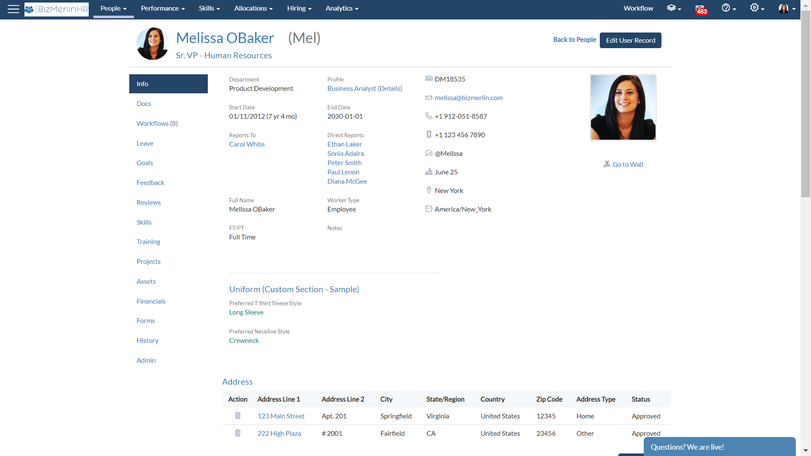
GUIDELINES FOR USER DATA IMPORT

1. User Specific data needs to be filled out in tab ¨User Data¨
2. We recommend to fill the following tabs first: ¨Org Unit¨, ¨Locations¨, and ¨Job Profile¨. You will need this information to fill the corresponding columns in the ¨User Data¨ tab
3. ¨Org Unit¨, ¨Location¨ and ¨Job Profile¨ are very important fields to define because:
- They may determine visibility options based on any of these 3 factors or any combination of them
- They may determine permission sets enabled to Users based on any of these 3 factors or any combination of them
- They may determine approval flows based on any of these 3 factors or any combination of them
- They are used to filter Users in the basis of these 3 factors or any combination of them

Notes:
Org Chart: The org chart is plotted based on the "*Reports To" field.
*Mandatory fields
Recommended Fields

How to Import Custom Fields:
Custom fields: To import custom fields, you can add additional columns in the "Sample File" tab (Example: "Preferred T-Shirt Sleeve Style" in picture below)
Custom Sections: You can cluster custom fields into sections (Example: "Uniform" Section in picture below)
NOTE: For custom fields values, different spelling will be imported as different values (Example: "Red" and "red" will be imported as 2 different values)

Locations
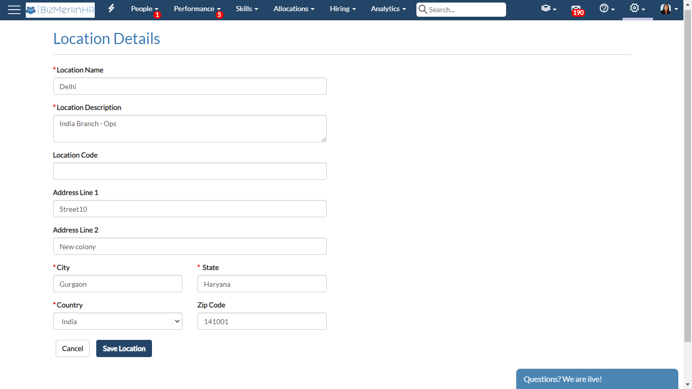
*LocationName | *LocationDescription | *Country | *City | *State | LocationCode | Address Line 1 | Address Line 2 | ZipCode
*Nombre de la ubicación | *Descripción de la ubicación | *País | *Ciudad | *Estado | Código de ubicación | Dirección Línea 1 | Dirección Línea 2 | Código Postal

JobProfile
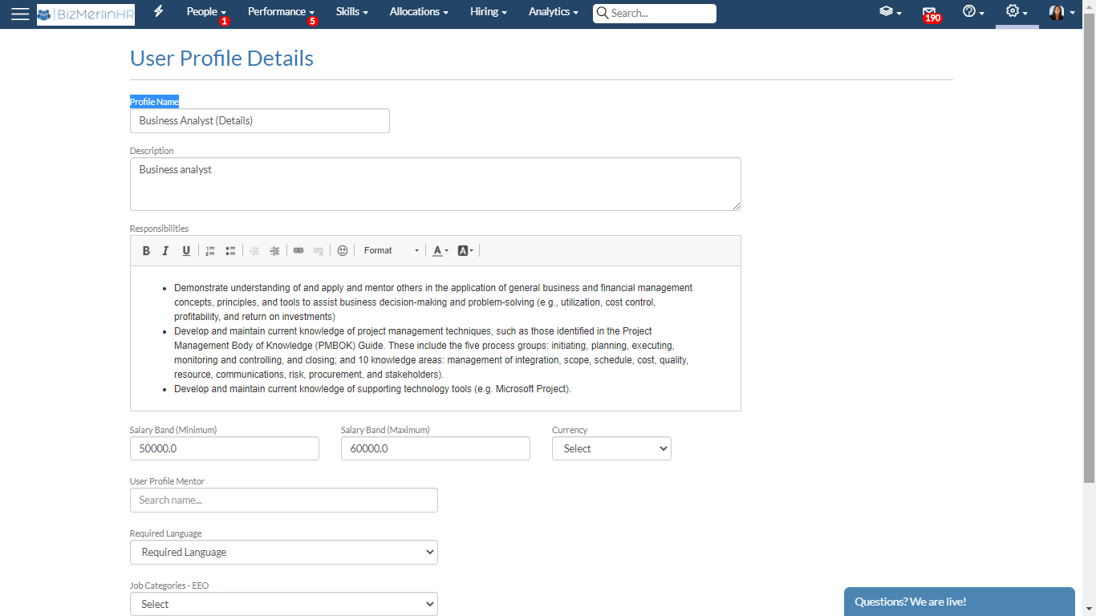
ProfileName | Description | Responsibilities | SalaryBandMinimum | SalaryBandMaximum | Currency | User Profile Mentor
Nombre de perfil | Descripción | Responsabilidades | Banda salarial (Mínimo) | Banda salarial (Máximo) | Moneda | Perfil de trabajo del gerente

